dashboard
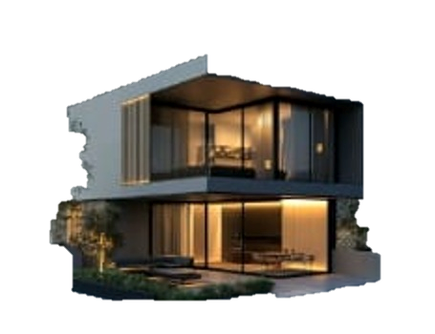

Real EstReal Over View
Total sold Vs Available
 | Total
Available | 75
Sold | 75

Total Properties
150
Avg Price

$2,602,881

Property by sales
 | Total
Apartment | 1521946.58
Office | 1957943.0566
Villa | 4480082.3191
 | Apartment | Office | Villa
Alexandria | 18 | 16 | 14
Cairo | 18 | 22 | 17
Giza | 14 | 15 | 16

